Sheet 1
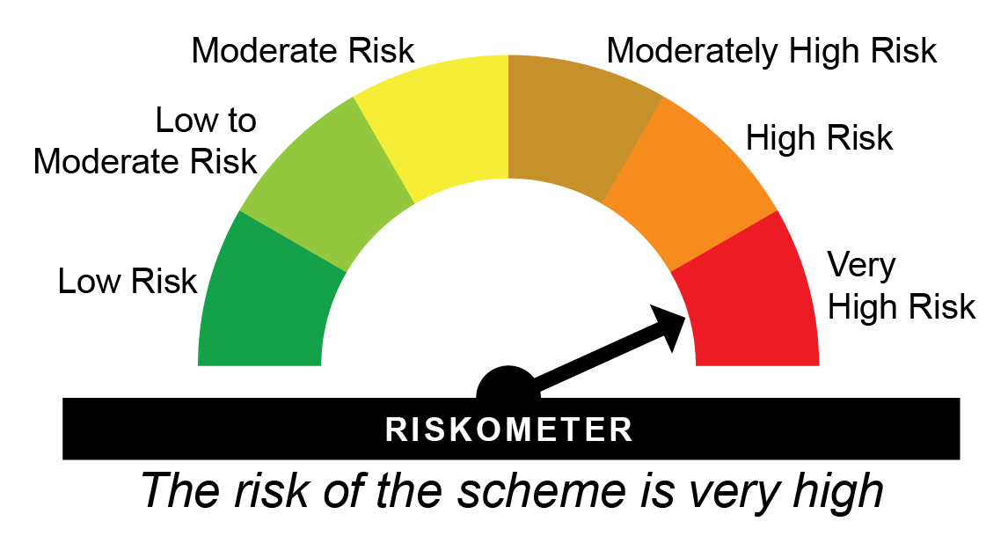
HDFCPM - HDFC Hybrid Equity Fund - Regular Plan - Growth |  |  |  |  |  | NAV as at May 30, 2025 |  | 118.055 | Scheme Riskometer
Date | Period | NAV per Unit (₹) | Scheme Returns (%)^ | Benchmark Returns(%)# | Additional Benchmark Returns ##(%) | Value of Investment of ₹ 10000@
 |  |  |  |  |  | Scheme (₹) | Benchmark #(₹) | Additional Benchmark ##(₹)

May 31, 24 | Last 1 Year | 107.504 | 9.81 | 11.02 | 11.08 | 10,979 | 11,099 | 11,104
May 31, 22 | Last 3 Years | 76.928 | 15.35 | 13.28 | 15.56 | 15,346 | 14,535 | 15,432
May 29, 20 | Last 5 Years | 45.795 | 20.83 | 16.86 | 22.29 | 25,779 | 21,815 | 27,380
May 29, 15 | Last 10 Years | 37.608 | 12.11 | 11.35 | 12.73 | 31,391 | 29,348 | 33,201
Sep 11, 00 | Since Inception | 3.492 | 15.3 | NA | 13.65 | 338,073 | NA | 236,944

HDFCPM - HDFC Hybrid Equity Fund - Direct Plan - Growth |  |  |  |  |  | NAV as at May 30, 2025 |  | 127.864 | Benchmark Riskometer
Date | Period | NAV per Unit (₹) | Scheme Returns (%)^ | Benchmark Returns(%)# | Additional Benchmark Returns ##(%) | Value of Investment of ₹ 10000@ |  |  | 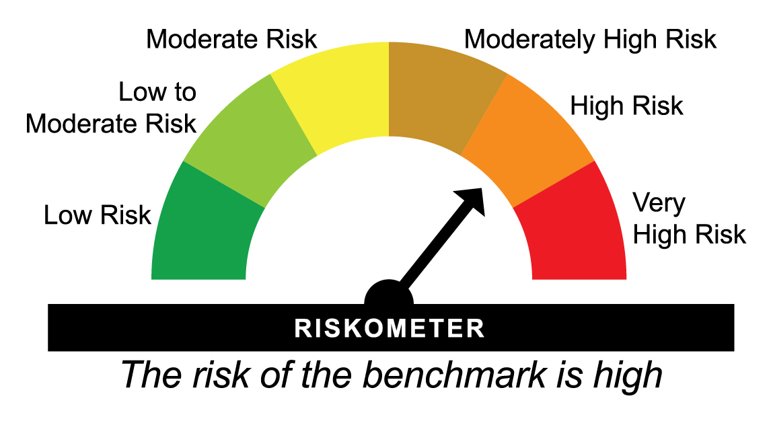
 |  |  |  |  |  | Scheme (₹) | Benchmark #(₹) | Additional Benchmark ##(₹)

May 31, 24 | Last 1 Year | 115.686 | 10.53 | 11.02 | 11.08 | 11,050 | 11,099 | 11,104
May 31, 22 | Last 3 Years | 81.724 | 16.09 | 13.28 | 15.56 | 15,646 | 14,535 | 15,432
May 29, 20 | Last 5 Years | 48.040 | 21.6 | 16.86 | 22.29 | 26,616 | 21,815 | 27,380
May 29, 15 | Last 10 Years | 37.558 | 13.02 | 11.35 | 12.73 | 34,044 | 29,348 | 33,201
Jan 01, 13 | Since Inception | 22.052 | 15.21 | 11.9 | 13.53 | 57,983 | 40,406 | 48,325
^Past performance may or may not be sustained in future and is not a guarantee of any future returns. Returns greater than 1 year period are compounded annualized (CAGR). # NIFTY 50 Hybrid Composite Debt 65:35 Index ## Nifty 50 TRI
Scheme performance may not strictly be comparable with that of its Additional Benchmark in view of hybrid nature of the scheme where a portion of scheme’s investments are made in debt instruments.
Different plans viz. Regular Plan and Direct Plan have a different expense structure. The expenses of the Direct Plan under the Scheme will be lower to the extent of the distribution expenses / commission charged in the Regular Plan
The scheme is managed by Chirag Setalvad (Equity Assets) (since April 2, 2007) & Anupam Joshi (Debt Assets) (since October 6, 2022).
Effective close of business hours of June 1, 2018, HDFC Prudence Fund merged with HDFC Growth Fund (HDFC Balanced Advantage Fund after changes in fundamental attributes). As the portfolio characteristics
and the broad investment strategy of HDFC Balanced Advantage Fund is similar to that of erstwhile HDFC Prudence Fund, the track record (i.e. since inception date, IDCW
history, etc) and past performance of erstwhile HDFC Prudence Fund has been considered, in line with SEBI circular on Performance disclosure post consolidation/ merger of scheme dated April 12, 2018.
Since Inception Date = Date of First allotment in the Scheme / Plan.
Load is not taken into consideration for computation of performance.
NA: Not Available

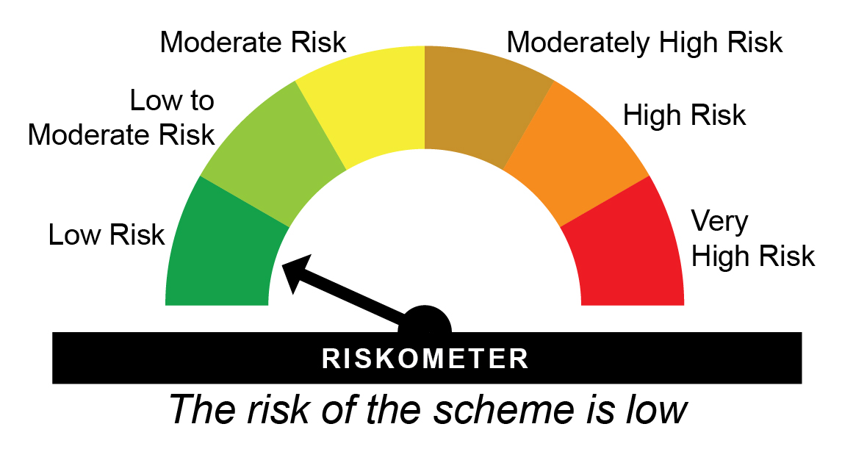
HDFCAR - HDFC Arbitrage Fund - Wholesale - Regular Plan - Growth |  |  |  |  |  | NAV as at May 30, 2025 |  | 30.461 | Scheme Riskometer
Date | Period | NAV per Unit (₹) | Scheme Returns (%)^ | Benchmark Returns(%)# | Additional Benchmark Returns ##(%) | Value of Investment of ₹ 10000@
 |  |  |  |  |  | Scheme (₹) | Benchmark #(₹) | Additional Benchmark ##(₹)

May 31, 24 | Last 1 Year | 28.444 | 7.09 | 7.53 | 7.99 | 10,707 | 10,751 | 10,796
May 31, 22 | Last 3 Years | 25.016 | 6.78 | 7.08 | 7.11 | 12,177 | 12,279 | 12,288
May 29, 20 | Last 5 Years | 23.500 | 5.32 | 5.55 | 5.52 | 12,962 | 13,101 | 13,086
May 29, 15 | Last 10 Years | 17.519 | 5.68 | 5.54 | 6.36 | 17,387 | 17,152 | 18,546
Oct 23, 07 | Since Inception | 10.000 | 6.53 | NA | 6.31 | 30,461 | NA | 29,392

HDFCAR - HDFC Arbitrage Fund - Wholesale - Direct Plan - Growth |  |  |  |  |  | NAV as at May 30, 2025 |  | 20.044 | Benchmark Riskometer
Date | Period | NAV per Unit (₹) | Scheme Returns (%)^ | Benchmark Returns(%)# | Additional Benchmark Returns ##(%) | Value of Investment of ₹ 10000@ |  |  | 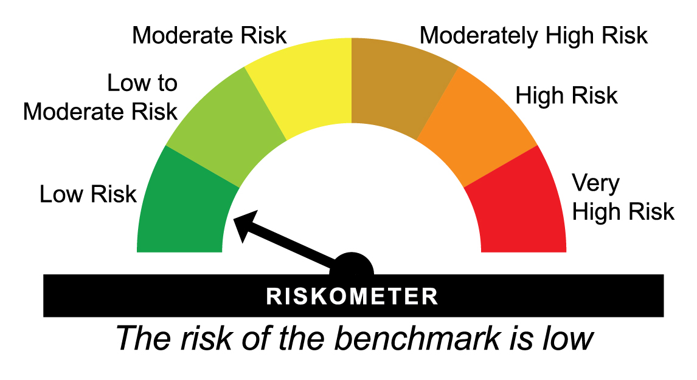
 |  |  |  |  |  | Scheme (₹) | Benchmark #(₹) | Additional Benchmark ##(₹)

May 31, 24 | Last 1 Year | 18.615 | 7.68 | 7.53 | 7.99 | 10,765 | 10,751 | 10,796
May 31, 22 | Last 3 Years | 16.203 | 7.35 | 7.08 | 7.11 | 12,371 | 12,279 | 12,288
May 29, 20 | Last 5 Years | 15.055 | 5.88 | 5.55 | 5.52 | 13,314 | 13,101 | 13,086
May 29, 15 | Last 10 Years | 10.944 | 6.23 | 5.54 | 6.36 | 18,315 | 17,152 | 18,546
Apr 07, 14 | Since Inception | 10.000 | 6.43 | 5.88 | 6.6 | 20,044 | 18,919 | 20,398
^Past performance may or may not be sustained in future and is not a guarantee of any future returns. Returns greater than 1 year period are compounded annualized (CAGR). # NIFTY 50 Arbitrage Index ## CRISIL 1 Year T-bill Index
Scheme performance is not strictly comparable with that of its Additional Benchmark since the scheme does not take directional call in equity markets but is limited to availing arbitrage opportunities, etc.
Different plans viz. Regular Plan and Direct Plan have a different expense structure. The expenses of the Direct Plan under the Scheme will be lower to the extent of the distribution expenses / commission charged in the Regular Plan.
The scheme is managed by Arun Agarwal (Arbitrage Assets) (since August 24, 2020), Nandita Menezes (Arbitrage Assets) (since March 29, 2025) & Anil Bamboli (Debt Assets) since February 01, 2022).
Since Inception Date = Date of First allotment in the Scheme / Plan.
Load is not taken into consideration for computation of performance.
NA: Not Available

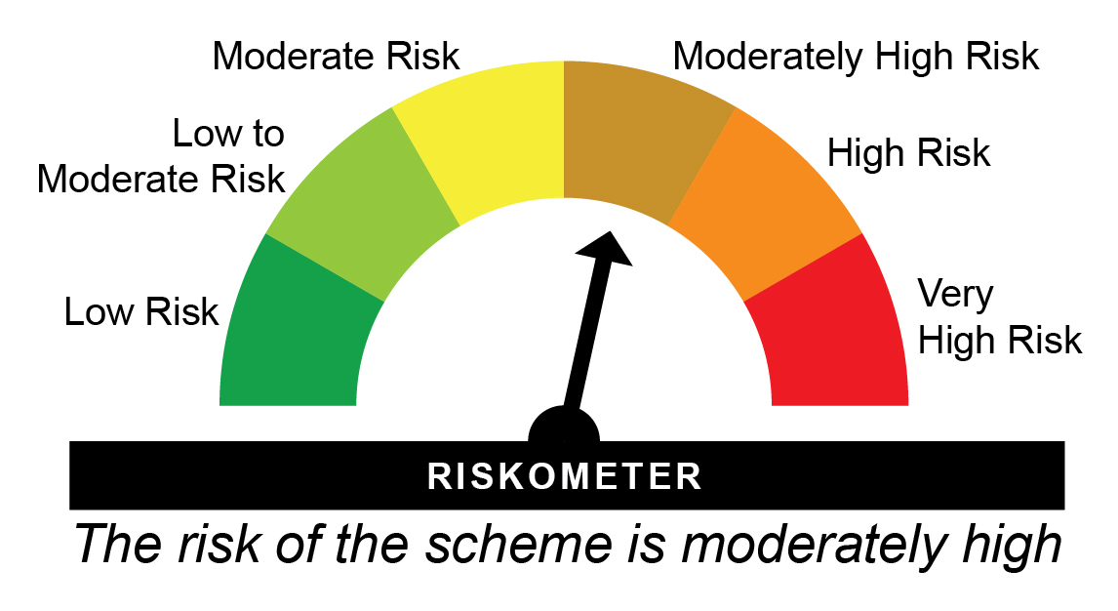
HMIPLT - HDFC Hybrid Debt Fund - Regular Plan - Growth |  |  |  |  |  | NAV as at May 30, 2025 |  | 82.497 | Scheme Riskometer
Date | Period | NAV per Unit (₹) | Scheme Returns (%)^ | Benchmark Returns(%)# | Additional Benchmark Returns ##(%) | Value of Investment of ₹ 10000@
 |  |  |  |  |  | Scheme (₹) | Benchmark #(₹) | Additional Benchmark ##(₹)

May 31, 24 | Last 1 Year | 75.782 | 8.86 | 10.59 | 11.71 | 10,884 | 11,055 | 11,168
May 31, 22 | Last 3 Years | 59.056 | 11.79 | 9.75 | 9.43 | 13,969 | 13,220 | 13,106
May 29, 20 | Last 5 Years | 44.694 | 13.03 | 9.1 | 5.5 | 18,458 | 15,465 | 13,076
May 29, 15 | Last 10 Years | 34.733 | 9.03 | 8.7 | 6.89 | 23,751 | 23,053 | 19,484
Dec 26, 03 | Since Inception | 10.000 | 10.34 | 8.47 | 5.89 | 82,497 | 57,157 | 34,131

HMIPLT - HDFC Hybrid Debt Fund - Direct Plan - Growth |  |  |  |  |  | NAV as at May 30, 2025 |  | 87.7042 | Benchmark Riskometer
Date | Period | NAV per Unit (₹) | Scheme Returns (%)^ | Benchmark Returns(%)# | Additional Benchmark Returns ##(%) | Value of Investment of ₹ 10000@ |  |  | 
 |  |  |  |  |  | Scheme (₹) | Benchmark #(₹) | Additional Benchmark ##(₹)

May 31, 24 | Last 1 Year | 80.116 | 9.47 | 10.59 | 11.71 | 10,944 | 11,055 | 11,168
May 31, 22 | Last 3 Years | 61.814 | 12.37 | 9.75 | 9.43 | 14,188 | 13,220 | 13,106
May 29, 20 | Last 5 Years | 46.383 | 13.57 | 9.1 | 5.5 | 18,909 | 15,465 | 13,076
May 29, 15 | Last 10 Years | 35.096 | 9.58 | 8.7 | 6.89 | 24,990 | 23,053 | 19,484
Jan 01, 13 | Since Inception | 26.475 | 10.13 | 8.98 | 6.85 | 33,128 | 29,103 | 22,764
^Past performance may or may not be sustained in future and is not a guarantee of any future returns. Returns greater than 1 year period are compounded annualized (CAGR). # NIFTY 50 Hybrid Composite Debt 15:85 Index ## CRISIL 10 year Gilt Index
Scheme performance may not strictly be comparable with that of its Additional Benchmark in view of hybrid nature of the scheme where a portion of scheme’s investments are made in equity instruments.
Different plans viz. Regular Plan and Direct Plan have a different expense structure. The expenses of the Direct Plan under the Scheme will be lower to the extent of the distribution expenses / commission charged in the Regular Plan.
The scheme is managed by Srinivasan Ramamurthy (Equities) (since December 14, 2021) & Shobhit Mehrotra (Debt) (since September 1, 2007).
Since Inception Date = Date of First allotment in the Scheme / Plan.
Load is not taken into consideration for computation of performance.

HDFCMY - HDFC Equity Savings Fund - Regular Plan - Growth |  |  |  |  |  | NAV as at May 30, 2025 |  | 65.388 | Scheme Riskometer
Date | Period | NAV per Unit (₹) | Scheme Returns (%)^ | Benchmark Returns(%)# | Additional Benchmark Returns ##(%) | Value of Investment of ₹ 10000@
 |  |  |  |  |  | Scheme (₹) | Benchmark #(₹) | Additional Benchmark ##(₹)

May 31, 24 | Last 1 Year | 60.823 | 7.51 | 9.58 | 11.71 | 10,748 | 10,955 | 11,168
May 31, 22 | Last 3 Years | 47.694 | 11.09 | 10.43 | 9.43 | 13,710 | 13,466 | 13,106
May 29, 20 | Last 5 Years | 34.597 | 13.56 | 11.75 | 5.5 | 18,900 | 17,438 | 13,076
May 29, 15 | Last 10 Years | 26.203 | 9.56 | 9 | 6.89 | 24,954 | 23,701 | 19,484
Sep 17, 04 | Since Inception | 10.000 | 9.49 | NA | 6.2 | 65,388 | NA | 34,742

HDFCMY - HDFC Equity Savings Fund - Direct Plan - Growth |  |  |  |  |  | NAV as at May 30, 2025 |  | 73.103 | Benchmark Riskometer
Date | Period | NAV per Unit (₹) | Scheme Returns (%)^ | Benchmark Returns(%)# | Additional Benchmark Returns ##(%) | Value of Investment of ₹ 10000@ |  |  | 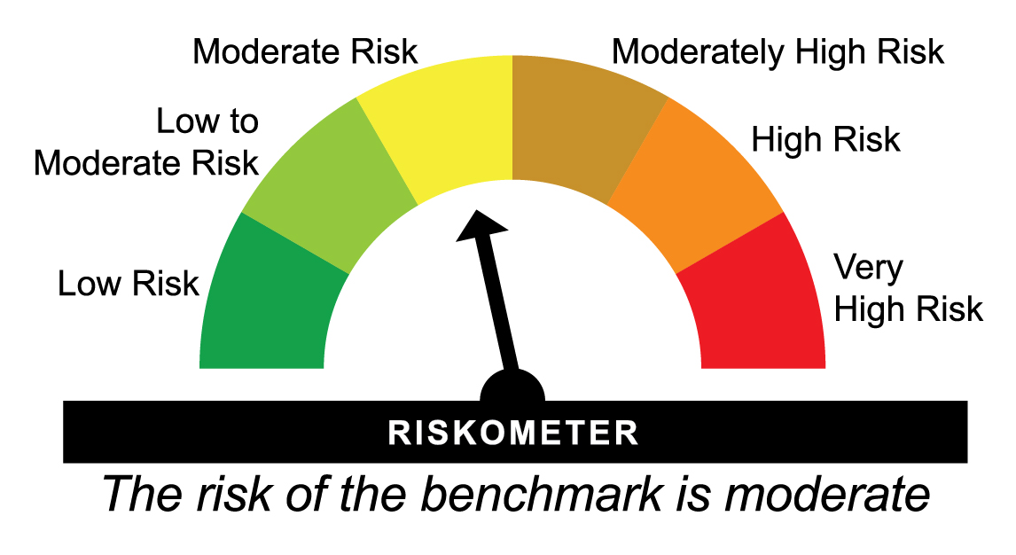
 |  |  |  |  |  | Scheme (₹) | Benchmark #(₹) | Additional Benchmark ##(₹)

May 31, 24 | Last 1 Year | 67.344 | 8.55 | 9.58 | 11.71 | 10,853 | 10,955 | 11,168
May 31, 22 | Last 3 Years | 51.853 | 12.13 | 10.43 | 9.43 | 14,098 | 13,466 | 13,106
May 29, 20 | Last 5 Years | 37.006 | 14.57 | 11.75 | 5.5 | 19,754 | 17,438 | 13,076
May 29, 15 | Last 10 Years | 26.467 | 10.68 | 9 | 6.89 | 27,621 | 23,701 | 19,484
Jan 01, 13 | Since Inception | 21.052 | 10.55 | 9.56 | 6.85 | 34,725 | 31,054 | 22,764
^Past performance may or may not be sustained in future and is not a guarantee of any future returns. Returns greater than 1 year period are compounded annualized (CAGR). # NIFTY Equity Savings Index ## CRISIL 10 Year Gilt Index
Scheme performance may not strictly be comparable with that of its Additional Benchmark, since a portion of scheme’s investments are made in debt instruments.
Different plans viz. Regular Plan and Direct Plan have a different expense structure. The expenses of the Direct Plan under the Scheme will be lower to the extent of the distribution expenses / commission charged in the Regular Plan.
The scheme is managed by Srinivasan Ramamurthy (Equity Assets) (since December 14, 2021), Anil Bamboli (Debt Assets) (since September 17, 2004), Arun Agarwal (Arbitrage Assets) (since August 24, 2020) & Nandita Menezes (Arbitrage Assets) (since March 29, 2025).
Since Inception Date = Date of First allotment in the Scheme / Plan.
Load is not taken into consideration for computation of performance.
NA: Not Available


MY2005 - HDFC Multi-Asset Fund - Regular Plan - Growth |  |  |  |  |  | NAV as at May 30, 2025 |  | 70.424 | Scheme Riskometer
Date | Period | NAV per Unit (₹) | Scheme Returns (%)^ | Benchmark Returns(%)# | Additional Benchmark Returns ##(%) | Value of Investment of ₹ 10000@
 |  |  |  |  |  | Scheme (₹) | Benchmark #(₹) | Additional Benchmark ##(₹)

May 31, 24 | Last 1 Year | 63.022 | 11.75 | 13.26 | 11.08 | 11,171 | 11,322 | 11,104
May 31, 22 | Last 3 Years | 46.624 | 14.74 | 14.79 | 15.56 | 15,105 | 15,125 | 15,432
May 29, 20 | Last 5 Years | 29.905 | 18.66 | 17.87 | 22.29 | 23,549 | 22,768 | 27,380
May 29, 15 | Last 10 Years | 24.770 | 11 | 11.97 | 12.73 | 28,431 | 31,021 | 33,201
Aug 17, 05 | Since Inception | 10.000 | 10.36 | NA | 13.88 | 70,424 | NA | 130,983

MY2005 - HDFC Multi-Asset Fund - Direct Plan - Growth |  |  |  |  |  | NAV as at May 30, 2025 |  | 78.46 | Benchmark Riskometer
Date | Period | NAV per Unit (₹) | Scheme Returns (%)^ | Benchmark Returns(%)# | Additional Benchmark Returns ##(%) | Value of Investment of ₹ 10000@
 |  |  |  |  |  | Scheme (₹) | Benchmark #(₹) | Additional Benchmark ##(₹)

May 31, 24 | Last 1 Year | 69.428 | 13.01 | 13.26 | 11.08 | 11,297 | 11,322 | 11,104
May 31, 22 | Last 3 Years | 50.112 | 16.12 | 14.79 | 15.56 | 15,657 | 15,125 | 15,432
May 29, 20 | Last 5 Years | 31.295 | 20.16 | 17.87 | 22.29 | 25,071 | 22,768 | 27,380
May 29, 15 | Last 10 Years | 25.125 | 12.05 | 11.97 | 12.73 | 31,227 | 31,021 | 33,201
Jan 01, 13 | Since Inception | 19.149 | 12.03 | 12.16 | 13.53 | 40,973 | 41,583 | 48,325
^Past performance may or may not be sustained in future and is not a guarantee of any future returns. Returns greater than 1 year period are compounded annualized (CAGR). # 65% Nifty 50 TRI + 25% Nifty Composite Debt Index + 10% Price of Domestic Gold ## Nifty 50 TRI
Scheme performance may not strictly be comparable with that of its Additional Benchmark in view of hybrid nature of the scheme where a portion of scheme’s investments are made in debt instruments and gold related instruments.
Different plans viz. Regular Plan and Direct Plan have a different expense structure. The expenses of the Direct Plan under the Scheme will be lower to the extent of the distribution expenses / commission charged in the Regular Plan.
The scheme is managed by Srinivasan Ramamurthy (Equity Assets) (since January 13, 2022), Anil Bamboli (Debt Assets) (since August 17, 2005), Bhagyesh Kagalkar (Dedicated Fund Manager for commodities related investments viz. Gold) (since February 02, 2022), Arun Agarwal (Arbitrage Assets) (since August 24, 2020) & Nandita Menezes (Arbitrage Assets) (w.e.f. March 29, 2025).
Since Inception Date = Date of First allotment in the Scheme / Plan.
Load is not taken into consideration for computation of performance.
NA: Not Available

HDFCGR - HDFC Balanced Advantage Fund - Regular Plan - Growth |  |  |  |  |  | NAV as at May 30, 2025 |  | 514.747 | Scheme Riskometer
Date | Period | NAV per Unit (₹) | Scheme Returns (%)^ | Benchmark Returns(%)# | Additional Benchmark Returns ##(%) | Value of Investment of ₹ 10000@
 |  |  |  |  |  | Scheme (₹) | Benchmark #(₹) | Additional Benchmark ##(₹)

May 31, 24 | Last 1 Year | 479.472 | 7.36 | 10.93 | 11.08 | 10,734 | 11,090 | 11,104
May 31, 22 | Last 3 Years | 286.627 | 21.55 | 12.25 | 15.56 | 17,959 | 14,143 | 15,432
May 29, 20 | Last 5 Years | 160.503 | 26.22 | 14.53 | 22.29 | 32,071 | 19,724 | 27,380
May 29, 15 | Last 10 Years | 138.846 | 13.98 | 10.64 | 12.73 | 37,073 | 27,512 | 33,201
Feb 01, 94 | Since Inception | 2.702 | 18.23 | NA | 11.27 | 1,905,059 | NA | 284,174

HDFCGR - HDFC Balanced Advantage Fund - Direct Plan - Growth |  |  |  |  |  | NAV as at May 30, 2025 |  | 555.871 | Benchmark Riskometer
Date | Period | NAV per Unit (₹) | Scheme Returns (%)^ | Benchmark Returns(%)# | Additional Benchmark Returns ##(%) | Value of Investment of ₹ 10000@
 |  |  |  |  |  | Scheme (₹) | Benchmark #(₹) | Additional Benchmark ##(₹)

May 31, 24 | Last 1 Year | 514.692 | 8 | 10.93 | 11.08 | 10,798 | 11,090 | 11,104
May 31, 22 | Last 3 Years | 303.729 | 22.32 | 12.25 | 15.56 | 18,302 | 14,143 | 15,432
May 29, 20 | Last 5 Years | 168.075 | 26.99 | 14.53 | 22.29 | 33,073 | 19,724 | 27,380
May 29, 15 | Last 10 Years | 138.798 | 14.87 | 10.64 | 12.73 | 40,049 | 27,512 | 33,201
Jan 01, 13 | Since Inception | 89.085 | 15.89 | 11.1 | 13.53 | 62,398 | 36,939 | 48,325
^Past performance may or may not be sustained in future and is not a guarantee of any future returns. Returns greater than 1 year period are compounded annualized (CAGR). # Nifty 50 Hybrid Composite Debt 50:50 Index ## Nifty 50 TRI
$$ All IDCWs declared prior to the splitting of the Scheme into IDCW & Growth Options are assumed to be reinvested in the units of the Scheme at the then prevailing NAV (ex-IDCW NAV).
Scheme performance may not strictly be comparable with that of its Additional Benchmark in view of balanced nature of the scheme where a portion of scheme’s investments are made in debt instruments.
Different plans viz. Regular Plan and Direct Plan have a different expense structure. The expenses of the Direct Plan under the Scheme will be lower to the extent of the distribution expenses / commission charged in the Regular Plan.
The scheme is managed by Gopal Agrawal (Equity Assets) (since July 29, 2022), Srinivasan Ramamurthy (Equity Assets) (since July 29, 2022), Arun Agarwal (Arbitrage Assets) (since October 6, 2022), Nandita Menezes (Arbitrage Assets) (w.e.f. March 29, 2025) & Anil Bamboli (Debt Assets) (since July 29, 2022).
Effective close of business hours of June 1, 2018, HDFC Prudence Fund merged with HDFC Growth Fund (HDFC Balanced Advantage Fund after changes in fundamental attributes). As the portfolio characteristics
and the broad investment strategy of HDFC Balanced Advantage Fund is similar to that of erstwhile HDFC Prudence Fund, the track record (i.e. since inception date, IDCW
history, etc) and past performance of erstwhile HDFC Prudence Fund has been considered, in line with SEBI circular on Performance disclosure post consolidation/ merger of scheme dated April 12, 2018.
As NIFTY 50 TRI data is not available since inception of the scheme, additional benchmark performance is calculated using composite CAGR of NIFTY 50 PRI values from February 1, 1994 to June 29, 1999 and TRI values since June 30, 1999.
Since Inception Date = Date of First allotment in the Scheme / Plan.
Load is not taken into consideration for computation of performance.
NA: Not Available

